Sheet1
Akraino Blueprint Project API Information
 | APIs Offered by Your Project (Mandatory)
 | Project Name | API Group Name | API Category Level 1 | API Sub-category Level 2 | API Sub-category Level 3 | API Sub-category Level 4 | API Document Link | Protocols | OpenAPI Compliance? | API definition code link | API Code Link | Sample Code Link | Sandbox Link
 | Radio Edge Cloud | Deployment Configuration | Edge_Infrastructure | BM |  |  | https://wiki.akraino.org/display/AK/REC+API+Document | Customized | No | https://gerrit.akraino.org/r/gitweb?p=ta/config-manager.git;a=blob;f=userconfigtemplate/user_config.yaml;h=fdf6bdee14ca0de23a31169d5d4f58dbdcccd8c6;hb=refs/heads/master | https://gerrit.akraino.org/r/gitweb?p=ta/config-manager.git;a=blob;f=userconfigtemplate/user_config.yaml;h=fdf6bdee14ca0de23a31169d5d4f58dbdcccd8c6;hb=refs/heads/master | https://gerrit.akraino.org/r/gitweb?p=ta/config-manager.git;a=blob;f=userconfigtemplate/user_config.yaml;h=fdf6bdee14ca0de23a31169d5d4f58dbdcccd8c6;hb=refs/heads/master | N/A
 | Comments: Radio Edge Cloud mostly packages upstream components for bare metal deployment. The file user_config.yaml contains the specifications of the hardware to be deployed and the networking and storage configuration.
 | Radio Edge Cloud | Container Networking | Edge_Infrastructure | Network |  |  | https://wiki.akraino.org/display/AK/DANM+Schema | Customized | No | https://github.com/nokia/danm/tree/master/schema | https://github.com/nokia/danm |  | N/A
 | Comments: Radio Edge Cloud mostly packages upstream components for bare metal deployment. The file user_config.yaml contains the specifications of the hardware to be deployed and the networking and storage configuration.
 | 3rd Party APIs Consumed in Your Project (Mandatory)
 | No. | API Group Name | API Category Level 1 | API Sub-category Level 2 | API Sub-category Level 3 | API Sub-category Level 4 | 3rd Party API Link |  |  |  |  |  | Comments
 | 1
 | 2

 | APIs In Kubernetes Environment (Optional) |  |  |  |  |  | Telco Network APIs (Optional)
 | Implement Methods | Applicable | Use Case | Sample Code Link | Notes |  | Network Category | Specifications Compliance | Targeted Developer Group
 | CRD |  | Container deployment, networking, cpu pinning |  |  |  | Radio Access Network | E2 | RIC xApp developers
 | API Aggregator
 | Independent APIs

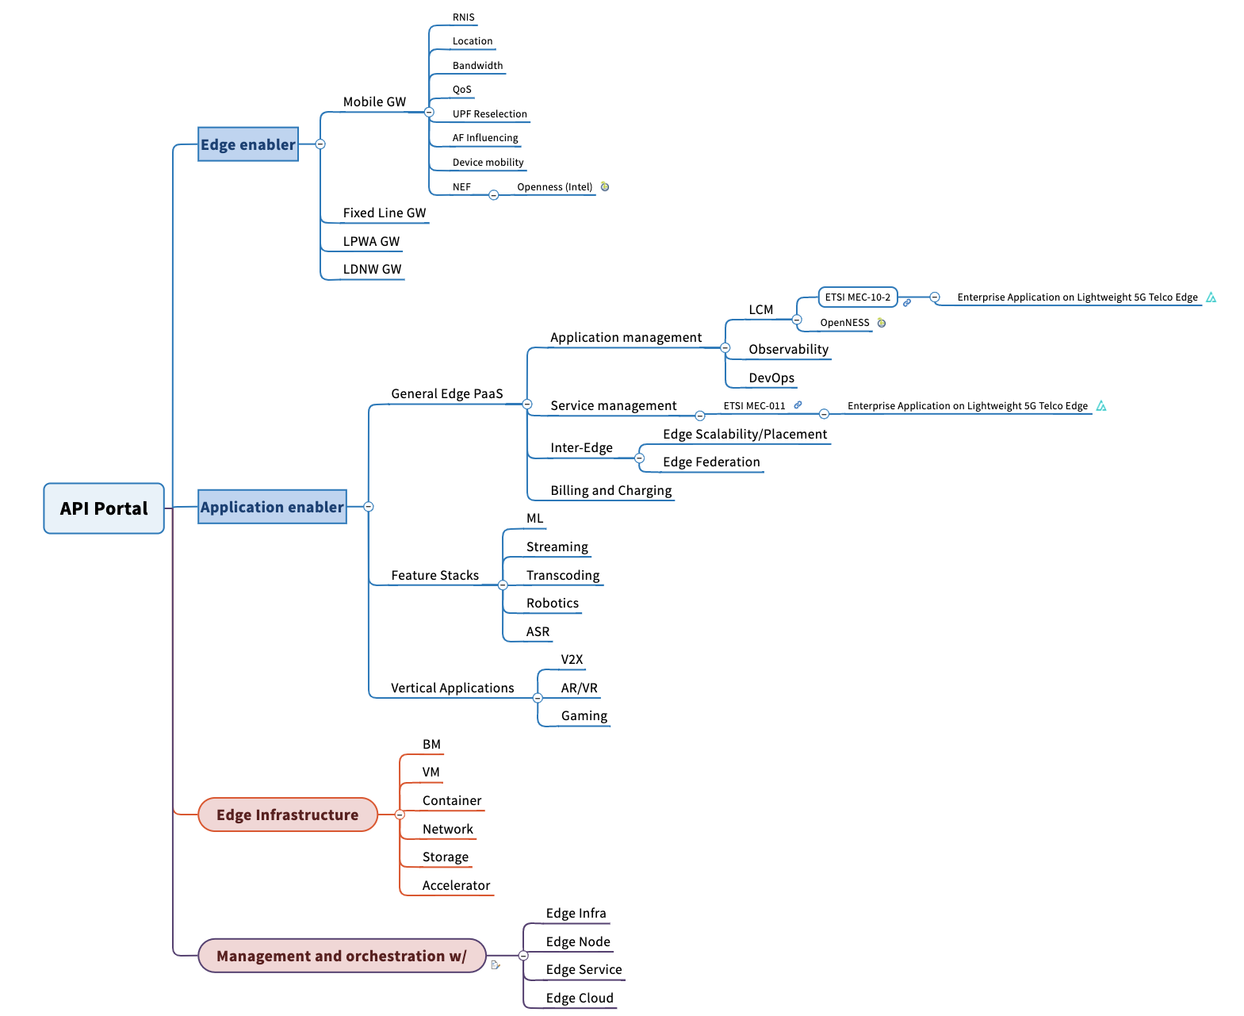
API Category level 1
API Category level 2
API Category level 3
API Category level 4

